Sheet1
These are WRONG | These are CORRECT
Overstrikes - where one design element overlaps another.
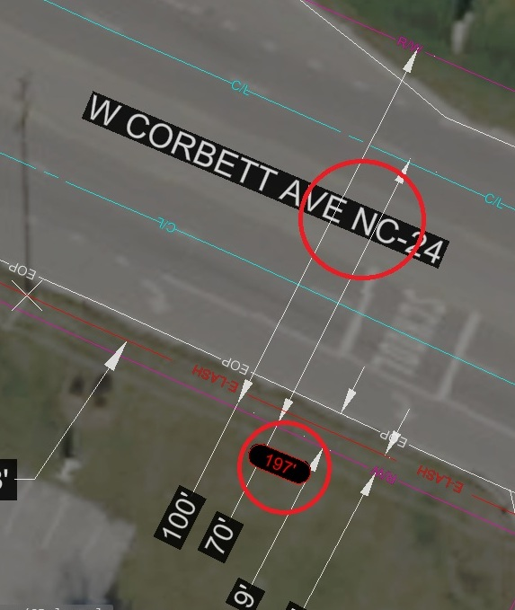 | 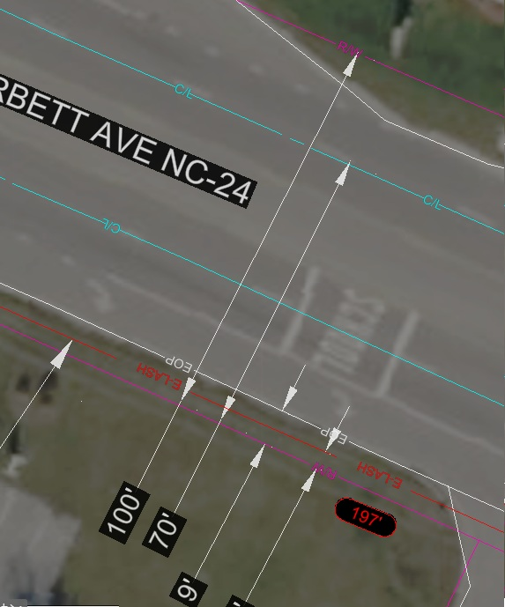

E Lash note - always maintain the same format from the provided template
WRONG | CORRECT
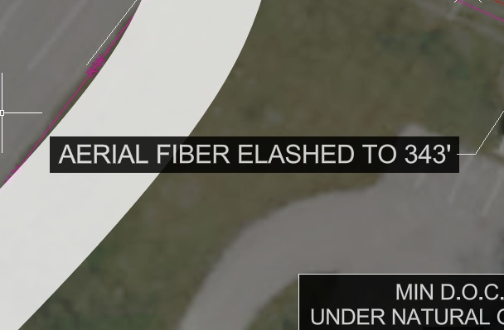 | 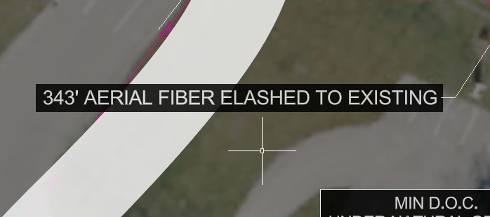

Driveways - should be snapped to both the EOP and the ROW line as shown
WRONG | CORRECT
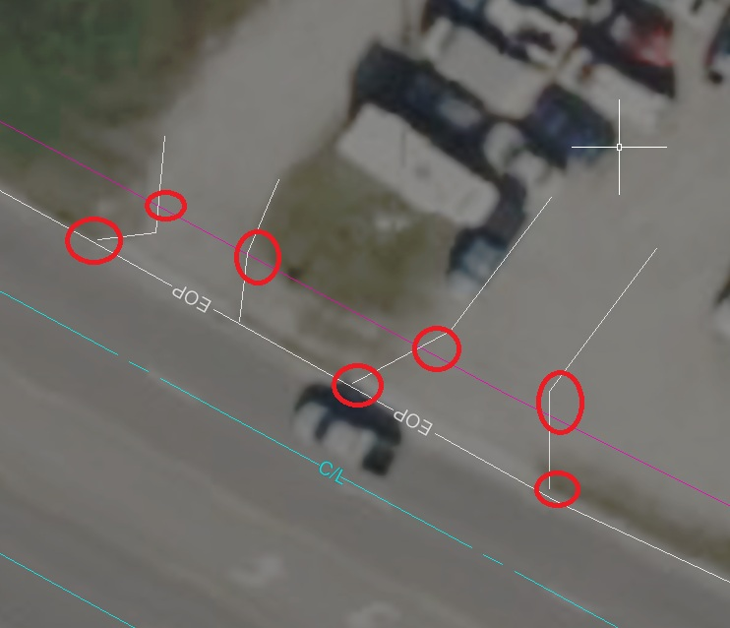 | 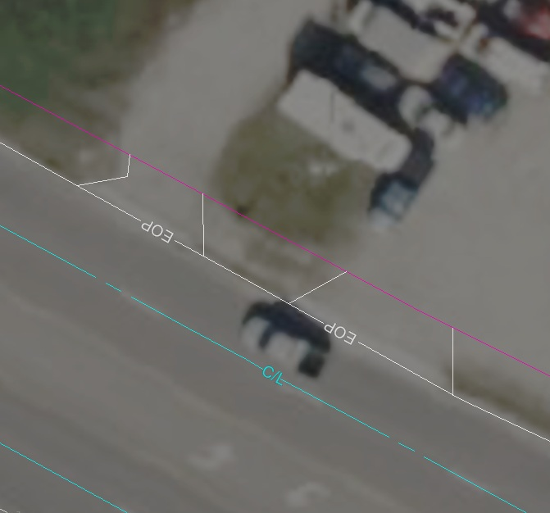

Aerial FTG Markers - should be closer to the aerial fiber that they are showing the footage of. Standardize the offset to 10' from the running line
WRONG | CORRECT
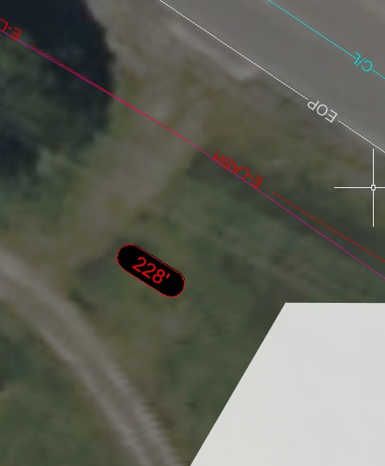 | 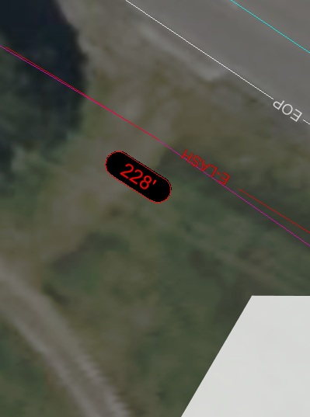

Construction notes - should always be kept as the exact standard shown in the template / samples. Don't change the template
WRONG | CORRECT
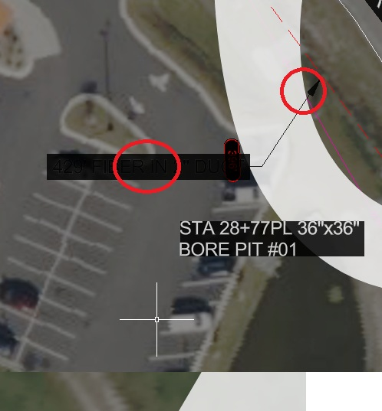 | 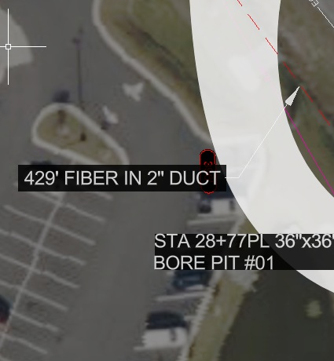

Staying in the ROW - ALWAYS maintain the running line build inside of the Right of Way (ROW)
WRONG | CORRECT
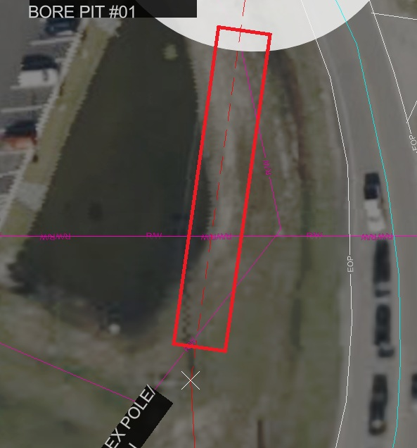 | 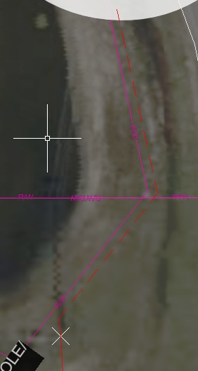

Running line (UG) 4' Offset - when placing running line UG, it should ALWAYS be 4' offset from the right of way line
WRONG | CORRECT
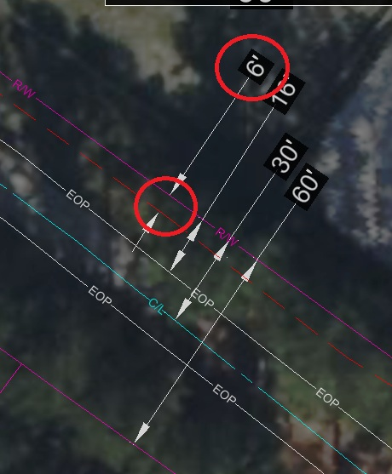 | 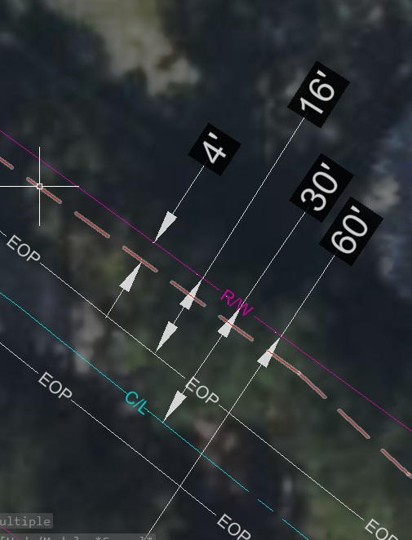

HH and Bore Pit rotation - always rotate the Handholes and bore pits so they are parallel to the right of way
WRONG | CORRECT
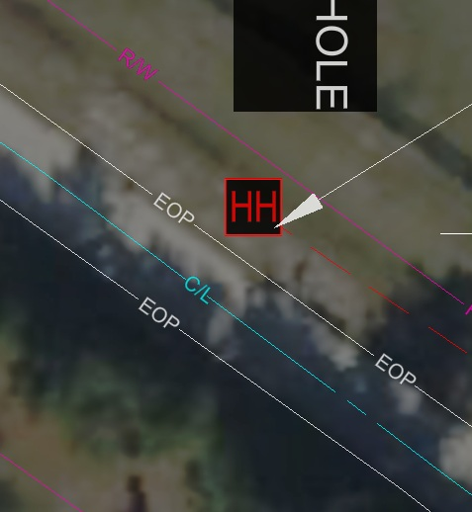 | 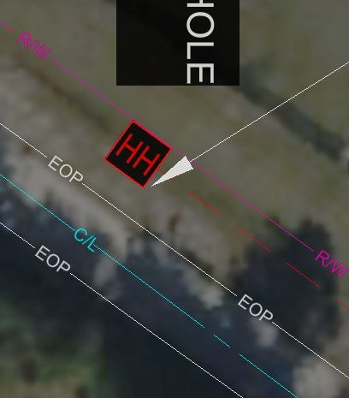

handhole and borepit note rotation - always align so the text is legible, and so the text block is 'pointing' at the handhole or bore pit
WRONG | CORRECT
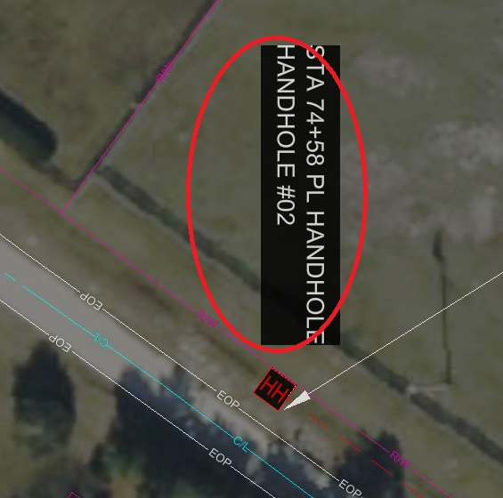 | 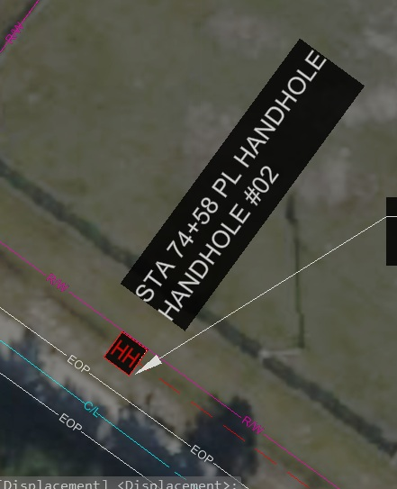

PAGE 1 - Workprint should show only the full scope of the pages, no other information, no matchllines
WRONG | CORRECT
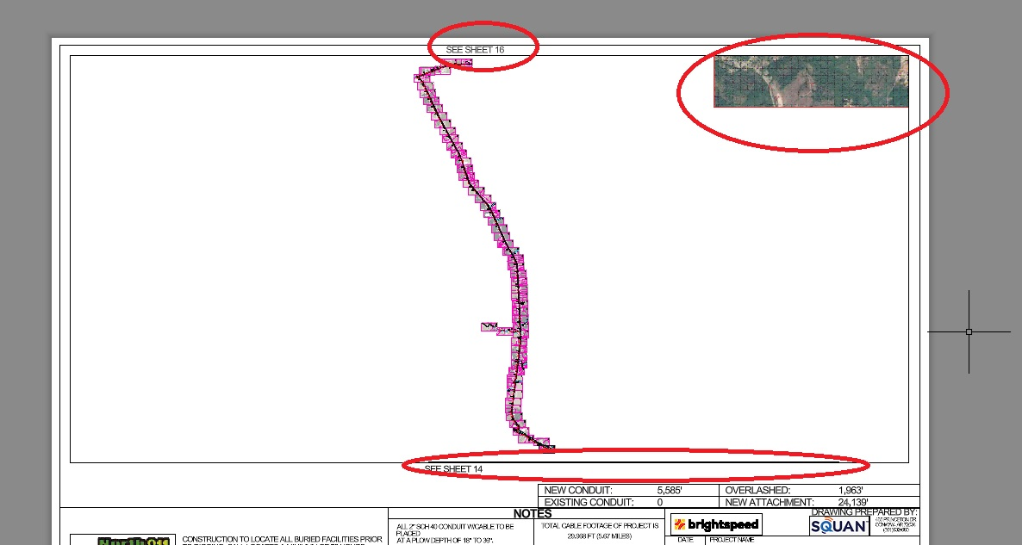 | 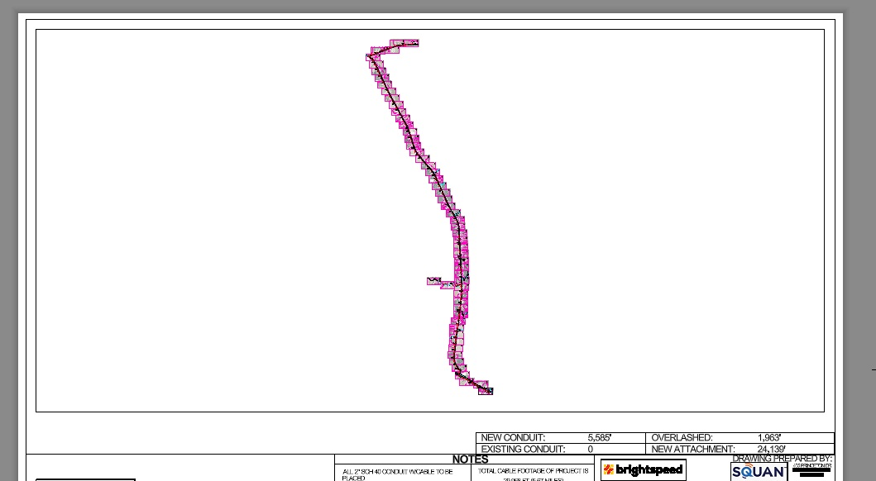

Workprint pages - matchlines should be placed where the running line is leaving or entering the page. MUST include the SEE SHEET XX text + the matchline itself. The page indicator (giant number in the middle of the page) is on the BORDER layer and this layer should be FROZEN on every work print so it does not show up or print
WRONG | CORRECT
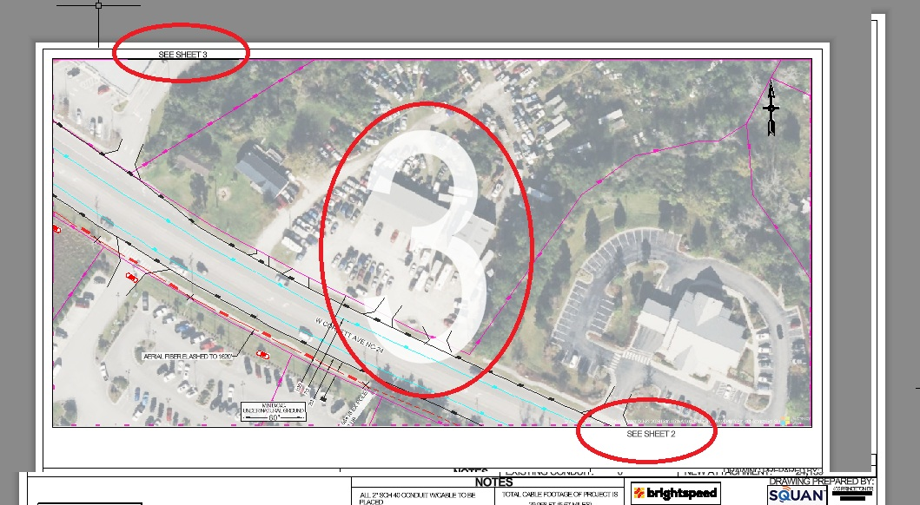 | 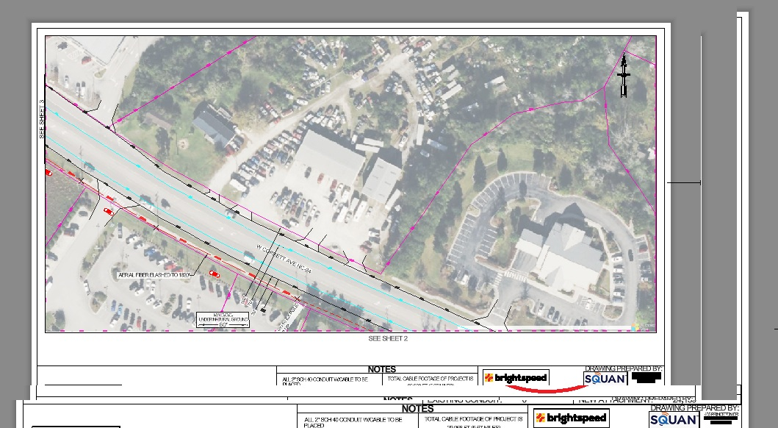

Workprint / Viewports - Scale. The scale should always show 1:60. NEVER ADJUST THE SIZE OR ROTATION OF ANY VIEWPORT BLOCKS OR IT WILL CAUSE HUGE REWORK!!!
WRONG | CORRECT
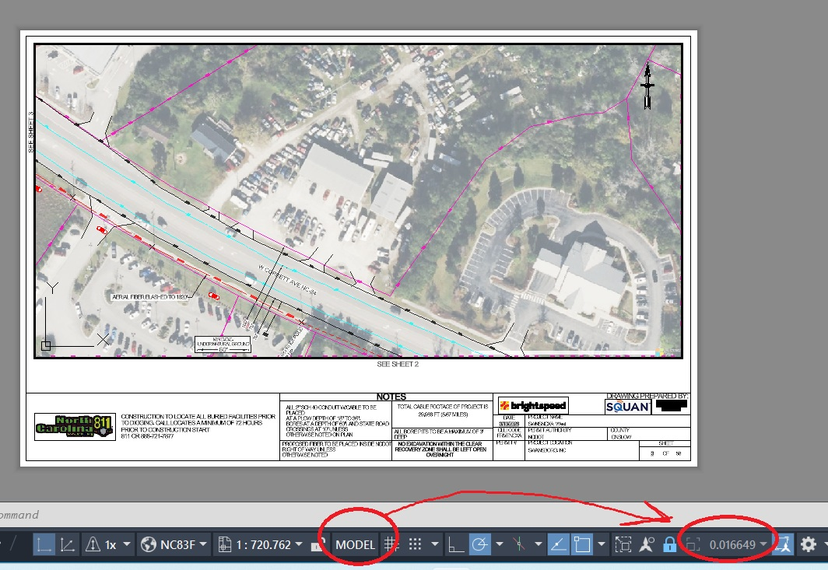 | 